Sheet1
Scenario DS02: Lane Change to the Left - Double Manoeuvres (in front of the lead & infront of the ego) on a Road Curve
Category |  | Road Geometry Variation
Type |  | Road Curve
Manoeuvre |  | Lane change to the left
Scene | Dynamic Elements | Ego vehicle (Yellow), Target cars: T00 (grey Range Rover) + T01 (brown Audi A7), Lead car: T02 (red Audi TT), Surround vehicles: T03 (white coach), T04 (white Tesla model 3), T05 (Volve trailer), T06 (black VW T6 van)
 | Scenary | Highway with four lanes, Approaching a road curve, Dashed line lane marking, Normal daylight conditions, Flat road conditions
 | Self Representation | Ego vehicle - self driven with the IPG driver model, set to consider traffic, equipped with a collision, radar and camera sensors, Target cars - Longitudinal motion controlled by autonomous driving mode and lateral motion controlled manually, Surrounding vehicles - Longitudinal and laeral motion controlled by autonomous driving mode
Actions and Events |  | Initial scene at 0 sec: Ego car at start position (0m) on L1 , Target cars: T00 at +25m from start position (0m) on L1 and T01 at +8m from start position on L0, Lead car T02 at +11m from start position on L1, T03 at +31m from start position on L3, T04 at +21m from start position on L0, T05 at +100m from start position on L3, T06 at +35m from start position on L2
 |  | Action 1 - Target car T00 initiates lane change --> Indicate
 |  | Action 2 - Target car T00 completes the lane change from L1 to L2
 |  | Action 3 - Lead car accelerates
 |  | Event 1 - The gap between the ego car and lead car widens
 |  | Action 4 - Target car T01 initiates lane change --> Indicate
 |  | Action 5 - Target car T01 completes the lane change from L0 to L1, All vehicles follow respective lanes
Goals & Values |  | Ego car to correctly identify and respond to the lane changes initiated by the target vehicles and continue driving on L1 without any collisions.
Description |  | The scenes in the scenario are illustrated in bird’s-eye view. Forward direction is from the left to right on the illustration. The scenario consists of eight vehicles driving along a highway of four lanes on each side. The self-driving (L4 HWP) ego vehicle is on lane L1 and on the lane to its right, the target vehicle T01 and a surrounding car (T04) are moving forward. At the start of the scenario, a leading car (T02) is driving in front of the ego car. At the final scene, following the lane changes by the target vehicles T00 (scene 3) and T01 (scene 6), two leading cars (T01 & T02) are driving on the same lane as the ego vehicle. Scene 1: Initial scene illustrating the setting of the vehicles, their starting positions and the road layout for the scenario. Scene 1 --> Action 1: Indicate --> Scene 2 Scene 2: Target car T00 has started indicating its intention to change lane to L2. Scene 2 --> Action 2: Lane Change --> Scene 3 Scene 3: Target car T00 is crossing the lane markings between L1 and L2, making its lane change manoeuver behind T06. Scene 3 --> Event 1: Build up of gap --> Scene 4 Scene 4: The gap between the ego car and lead car widens since T02 accelerate Scene 4 --> Action 3: Indicate --> Scene 5 Scene 5: Target car T101 has started indicating its intention to change lane to L1. Scene 5 --> Action 4: Lane Change --> Scene 6 Scene 6: Target car T01 is crossing the lane markings between L0 and L1, making its lane change manoeuver in front of the ego car. Scene 6 --> Action 5: Follow lane --> Scene 7 Scene 7: Final scene of the scenario where both target cars have completed the LC manoeuvers. All vehicles follow their lanes with two leading vehicles to the ego vehicle, T01 and T02.
Scenario DS02 Representation
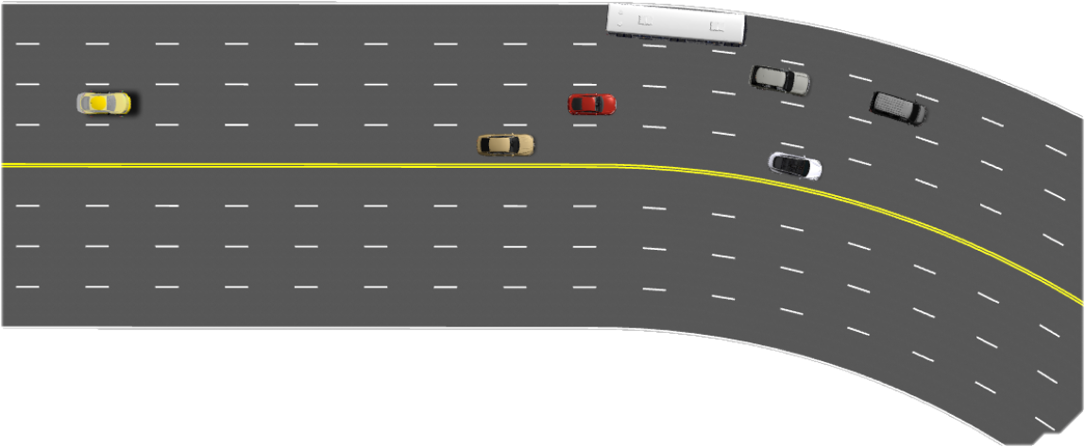  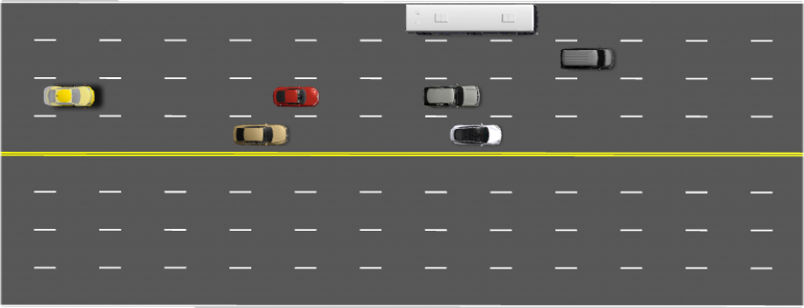 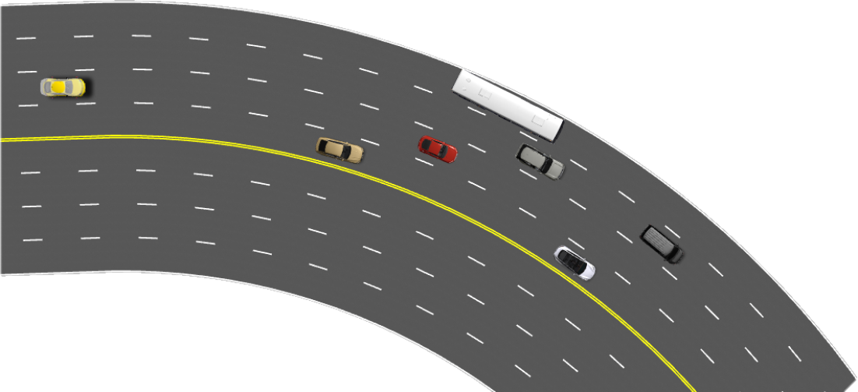 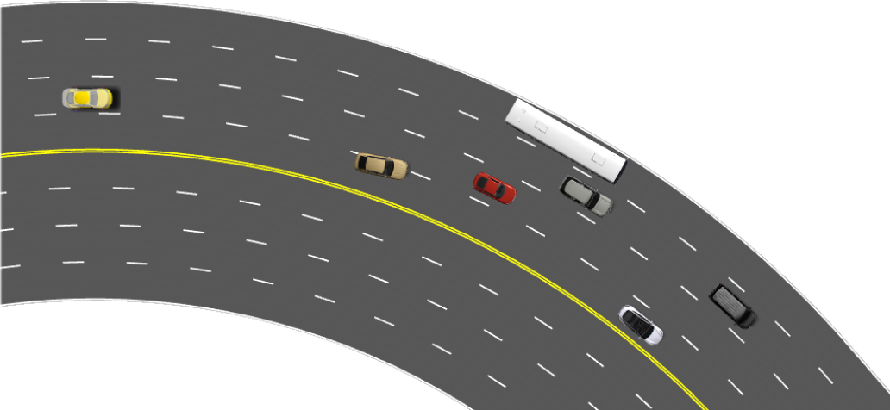

Scene 1
Scene 2
Scene 3
Scene 4

Scene 5
Scene 6
Scene 7

